
 |  |  |  | CODE: |  |  | pl1050 aa SN from 97F757
DESCRIPTION: |  | FRAME |  | RAHMEN | CADRE | CHASÍS | TELAIO
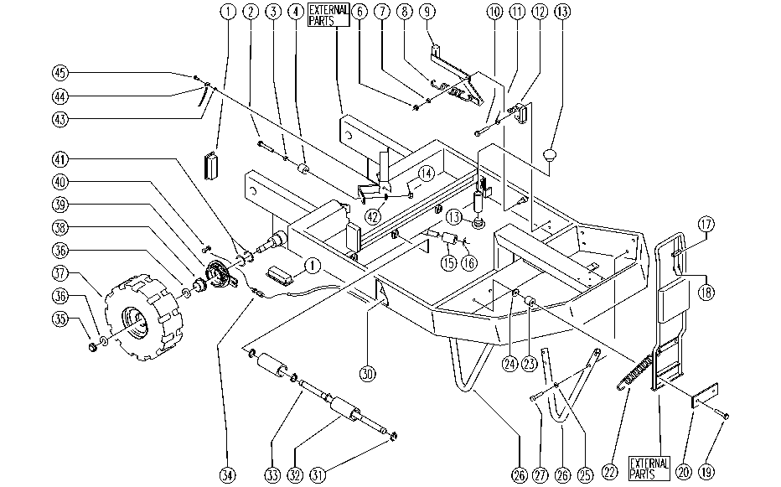

REF. | CODE | DESCRIPTION | QT
1 | SL14198 | TERMINAL | 4
2 | E86705 | Screw TE M 6-30 | 2
3 | E86758 | Washer | 2
4 | SL03103 | PLUG / STOPPER | 2
6 | E86853 | Nyloc Hex Nut, M8 Zinc | 1
7 | E86726 | Washer | 1
8 | E88578 | Spring | 1
9 | SL09698 | LEVER | 1
10 | SL04107 | SCREW | 2
11 | E86797 | Washer | 2
12 | E86828 | Microswitch | 1
13 | SL14217 | PLUG | 6
14 | E86552 | nut | 2
15 | SL07325 | ROLLER | 1
16 | SL11021 | SEEGER | 1
17 | SL07336 | CONNECTION | 1
18 | SL04231 | SCREW | 2
19 | SL04198 | SCREW | 2
20 | SL09529 | PLATE | 1
22 | SL13013 | SPRING | 2
23 | SL07067 | SPACER | 2
24 | E86719 | AS20 Washer | 2
25 | E86702 | Cham Washer D8 | 8
26 | SL09769 | HOSE | 2
27 | E87863 | Screw WS20/24 | 8
30 | SL25602 | LABEL | 1
31 | E86537 | Ring | 16
32 | SL07351 | ROLLER | 8
33 | SL07300 | PIN | 4
34 | SL14222 | REGISTER | 2
35 | E86854 | Nut | 2
36 | E86855 | Washer | 4
37 | SL08030 | WHEEL | 2
38 | E87941 | Bushing, flange | 2
39 | SL14192 | BLOCK | 2
40 | SL14031 | CLAMP | 2
41 | SL06075 | WASHER | 4
42 | E86707 | Cham Washer D10 | 2
43 | E89119 | Washer | 1
44 | SL23593 | CABLE | 1
45 | E86706 | Screw TE M 6-16 | 1

